Sheet1
SKU | Series | Name | Quantity Boxed | Quantity Unboxed | Total Units boxed & Unboxed | RRP | Line RRP
0001 | Accessories | Pencil Sharpener | 900 |  | 900 | 6.50 | £5,850.00
0004 | Accessories | Lip Brush | 197 | 3 | 200 | 17.50 | £3,500.00
0015 | Accessories | Powder Brush | 390 |  | 390 | 31.50 | £12,285.00
0016 | Accessories | Blusher Brush | 447 | 31 | 478 | 30.50 | £14,579.00
0017 | Accessories | Eye Shadow Brush | 473 |  | 473 | 24.50 | £11,588.50
0018 | Accessories | Small Eye Shadow Brush | 731 |  | 731 | 24.50 | £17,909.50
0019 | Accessories | Angled Eye Shadow Brush | 874 |  | 874 | 22.50 | £19,665.00
0020 | Accessories | Foundation Brush | 339 |  | 339 | 27.50 | £9,322.50
0021 | Accessories | Small Wooden Powder Brush | 1863 | 148 | 2011 | 15.00 | £30,165.00
0204 | I-shadow | Blackberry Berry | 1505 | 5 | 1510 | 23.50 | £35,485.00
0206 | I-shadow | Laguna | 693 |  | 693 | 23.50 | £16,285.50
0206 | I-shadow | Aspen | 828 | 7 | 835 | 23.50 | £19,622.50
0210 | I-shadow | Provence | 342 | 3 | 345 | 23.50 | £8,107.50
0301 | I-glow | Ice Pop | 1358 |  | 1358 | 27.50 | £37,345.00
0302 | I-glow | Sirocco | 0 |  | 0 | 27.50 | £-
0303 | I-glow | Coral Crush | 683 |  | 683 | 27.50 | £18,782.50
0305 | I-glow | Aurora | 615 | 1560 | 2175 | 27.50 | £59,812.50
0401 | I-bronze | Rio | 0 |  | 0 | 27.50 | £-
0501 | I-gloss | Tickled Pink | 252 |  | 252 | 19.00 | £4,788.00
0502 | I-gloss | Honey Pot | 0 |  | 0 | 19.00 | £-
0504 | I-gloss | Moonstone | 15 |  | 15 | 19.00 | £285.00
0505 | I-gloss | Spice Berry | 1106 |  | 1106 | 19.00 | £21,014.00
0506 | I-gloss | Coconut Ice | 9 | 2 | 11 | 19.00 | £209.00
0507 | I-gloss | Raspberry Kiss | 0 |  | 0 | 19.00 | £-
0508 | I-gloss | Coral Candy | 0 |  | 0 | 19.00 | £-
0509 | I-gloss | Coral Blossom | 230 | 7 | 237 | 19.00 | £4,503.00
0510 | I-gloss | Cherry Pop | 216 |  | 216 | 19.00 | £4,104.00
0511 | I-gloss | Blondie | 134 | 3 | 137 | 19.00 | £2,603.00
0512 | I-gloss | Creme Caramel | 281 |  | 281 | 19.00 | £5,339.00
0751 | I-colour | Twilight | 2480 | 38 | 2518 | 16.00 | £40,288.00
0752 | I-colour | Cobalt | 83 |  | 83 | 16.00 | £1,328.00
0754 | I-colour | Tourmaline | 1486 | 52 | 1538 | 16.00 | £24,608.00
0756 | I-colour | Crystal Quartz | 1561 | 36 | 1597 | 16.00 | £25,552.00
0901 | I-fix | Transparent | 434 |  | 434 | 16.50 | £7,161.00
0902 | I-groom | Neutral | 0 | 4 | 4 | 20.50 | £82.00
0903 | I-groom | Light | 84 |  | 84 | 20.50 | £1,722.00
1201 | I-prime | Transparent | 192 | 502 | 694 | 31.50 | £21,861.00
1330 | I-tint | Extra Light | 1241 | 140 | 1381 | 31.50 | £43,501.50
1331 | I-tint | Light | 0 | 0 | 0 | 31.50 | £-
1332 | I-tint | Medium | 0 |  | 0 | 31.50 | £-
1333 | I-tint | Medium Dark | 284 |  | 284 | 31.50 | £8,946.00
1401 | I-flick | Black | 1319 |  | 1319 | 20.00 | £26,380.00
1621 | I-smoulder | Charcoal | 0 |  | 0 | 19.50 | £-
1622 | I-smoulder | Ember | 1863 | 15 | 1878 | 19.50 | £36,621.00
1623 | I-smoulder | Azure | 0 |  | 0 | 19.50 | £-
1624 | I-smoulder | Olive | 58 |  | 58 | 19.50 | £1,131.00
1626 | I-smoulder | Gold | 9 |  | 9 | 19.50 | £175.50
1627 | I-smoulder | Chocolate | 1276 | 1001 | 2277 | 19.50 | £44,401.50
1628 | I-smoulder | Champagne | 174 |  | 174 | 19.50 | £3,393.00
1629 | I-smoulder | Amethyst | 108 |  | 108 | 19.50 | £2,106.00
1630 | I-smoulder | Sapphire | 44 |  | 44 | 19.50 | £858.00
1701 | I-flutter | Black | 1151 | 435 | 1586 | 20.00 | £31,720.00
1810 | I-perfection | Nougat | 2040 |  | 2040 | 31.50 | £64,260.00
1811 | I-perfection | Latte | 1045 |  | 1045 | 31.50 | £32,917.50
1814 | I-perfection | Cappuccino | 1247 |  | 1247 | 31.50 | £39,280.50
1815 | I-perfection | Caramel | 338 |  | 338 | 31.50 | £10,647.00
1900 | I-conceal | Extra Light | 0 |  | 0 | 21.00 | £-
1901 | I-conceal | Light | 1222 | 1 | 1223 | 21.00 | £25,683.00
1902 | I-conceal | Medium | 1374 |  | 1374 | 21.00 | £28,854.00
1903 | I-conceal | Dark | 1435 |  | 1435 | 21.00 | £30,135.00
1904 | I-conceal | Medium Dark | 3630 | 1 | 3631 | 21.00 | £76,251.00
2402 | I-open | Medium | 30 |  | 30 | 20.00 | £600.00
2801 | I-gel | Multi | 2055 |  | 2055 | 24.50 | £50,347.50
2802 | I-gel | Black | 1148 | 3 | 1151 | 24.50 | £28,199.50
2803 | I-gel | Bronze | 1245 |  | 1245 | 24.50 | £30,502.50
9713 | Eye Shadow Palette |  | 2808 |  | 2808 | 28.00 | £78,624.00
9059 | I-crayon | Apricot Sundae | 4 |  | 4 | 19.00 | £76.00
9059 | I-crayon | Pink Fancy | 117 |  | 117 | 19.00 | £2,223.00
9060 | I-crayon | Brown Sugar | 331 |  | 331 | 19.00 | £6,289.00

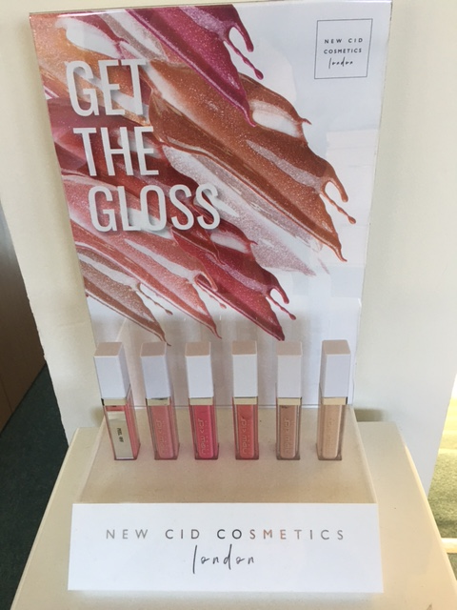
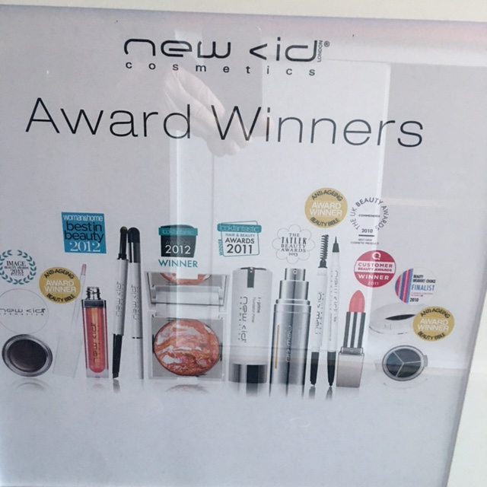

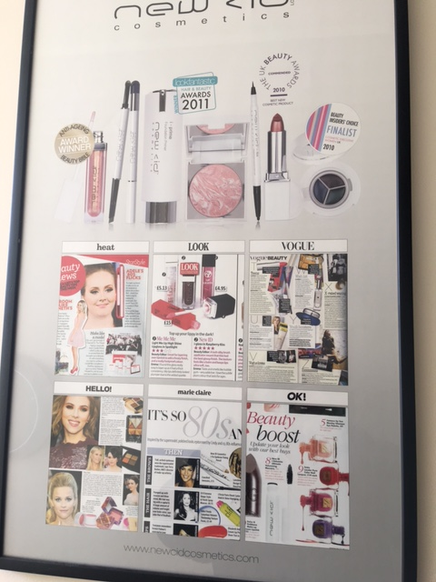
 |  |  | 48397 |  | 52394 |  | £1,189,875.00
 |  |  |  |  |  |  | £1,189,875.00

